Diagrama 1
TMS Cloud

Satcom

GPS/SatCom
Call Queue
Mobile Operator
GPS/Memory Flash
GPS/3G
Server
Domain Sensor Name Server

Topology: Star on Star
Second Option
Gateway
First Option

Third Option
GPS/SatCom
GPS/Memory Flash
GPS/3G
LPWAN
GPS/3G
Aplication

API
API

GPS/BLE

Sensor Nodes
Sensor Nodes
Battery
Battery

Diagrama 2


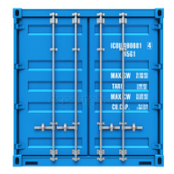



Sensors

BLE

LPWAN
SatCom

3G
Modules
GPS

Diagrama 3
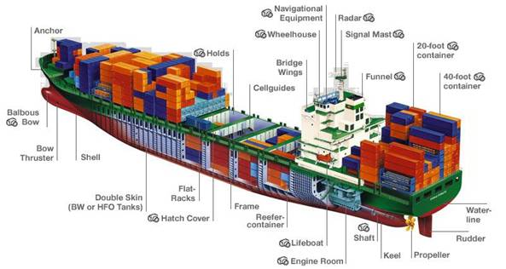
Gateway
Server
Gateway

Diagrama 4
Gateway

Server
Gateway

Diagrama 5
TMS Cloud

Mobile Operator

Satcom

GPS/SatCom
GPS/3G
GPS/3G

API
API

Sensor Nodes
Sensor Nodes
Battery
Battery

Flujo
Start

Data tranfser

3G/4G
Yes
End

No

SatCom
Yes
End
End
End

No
Yes
Yes
No
LPWan
Yes
Call Queue
Server DSNS
Data tranfser
3G/4G
SatCom
No
Flash
Memory

No

Flash
Memory

Diagrama 6
TMS Cloud

Satcom

GPS/SatCom
Mobile Operator
GPS/Memory Flash
GPS/3G

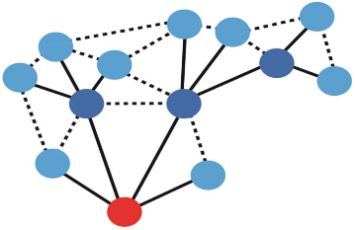
Topology: Mesh

Second Option
First Option

Third Option
GPS/SatCom
GPS/Memory Flash
GPS/3G
6loWPAN
GPS/3G
Aplication

API
API

GPS/BLE

Sensor Nodes
Sensor Nodes
Battery
Battery

Diagrama 6 (MVP)
TMS Cloud

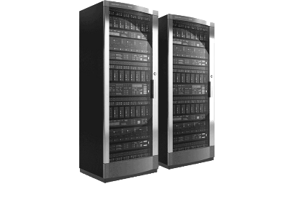

Satcom

GlobalConnect Cloud
GPS/SatCom
Mobile Operator
GPS/Memory Flash
GPS/3G

Topology: Mesh

Second Option
First Option

Third Option
GPS/SatCom
GPS/Memory Flash
GPS/3G
6loWPAN
GPS/3G
Aplication

API
API

GPS/BLE

Sensor Nodes
Sensor Nodes
Battery
Battery

Flujo 2
Start

Send through TMS
Data tranfser

Yes

3G/4G
Yes
TMS
No
Send through Globalconnect

No

SatCom
Yes

No
Yes
Yes

6loWPan
Yes
Data tranfser
3G/4G
No
SatCom
No
Flash
Memory

No

Flash
Memory

